NVIDIA Supliers
Show the suppliers, their origin and the level of tariff (highlighting where the impact would be the highest) in one graph (see original format on the left)
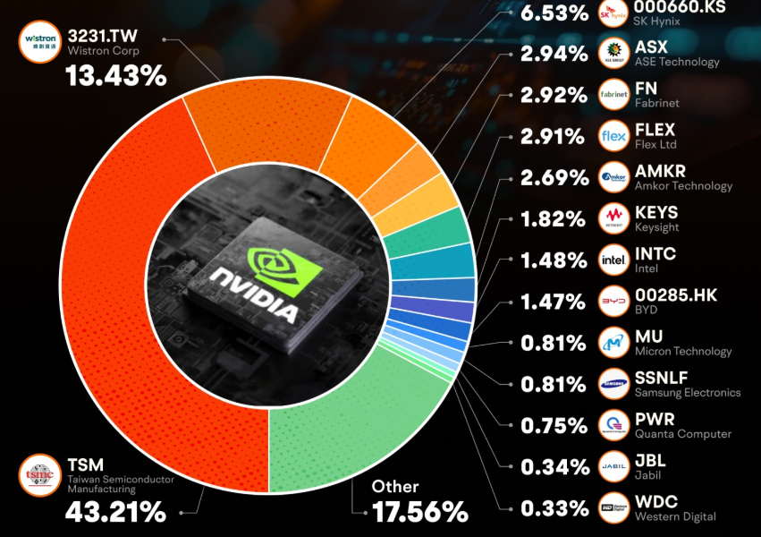
Nvidia relies on a diverse supply chain to produce its graphics processing units (GPUs) and other products
Supplier | Share | Country of Origin | (Paused) Reciprocal Tariff | Tariff Impact | Manufacturing in China?
TSMC | 43.2% | Taiwan | 32% | 13.8% | þ
Wistron | 13.4% | Taiwan | 32% | 4.3% | þ
SK Hynix | 6.5% | South Korea | 25% | 1.6% | þ
ASE | 2.9% | Taiwan | 32% | 0.9% | þ
Fabrinet | 2.9% | Cayman Islands | 10% | 0.3% | þ
Flex | 2.9% | Singapore | 10% | 0.3% | þ
Amkor | 2.7% | United States | N/A | N/A | þ
Keysight | 1.8% | United States | N/A | N/A | þ
Intel | 1.5% | United States | N/A | N/A | þ
BYD | 1.5% | China | 124% | 1.8% | þ
Micron | 0.8% | United States | N/A | N/A | þ
Samsung | 0.8% | South Korea | 25% | 0.2% | þ
Quanta | 0.8% | Taiwan | 32% | 0.2% | þ
Jabil | 0.3% | United States | N/A | N/A | þ
Western Digital | 0.3% | United States | N/A | N/A | þ
Other | 17.6% | N/A | N/A | N/A | N/A
 |  |  | Total Impact (excl. Other) | 23.5%

